Sheet1
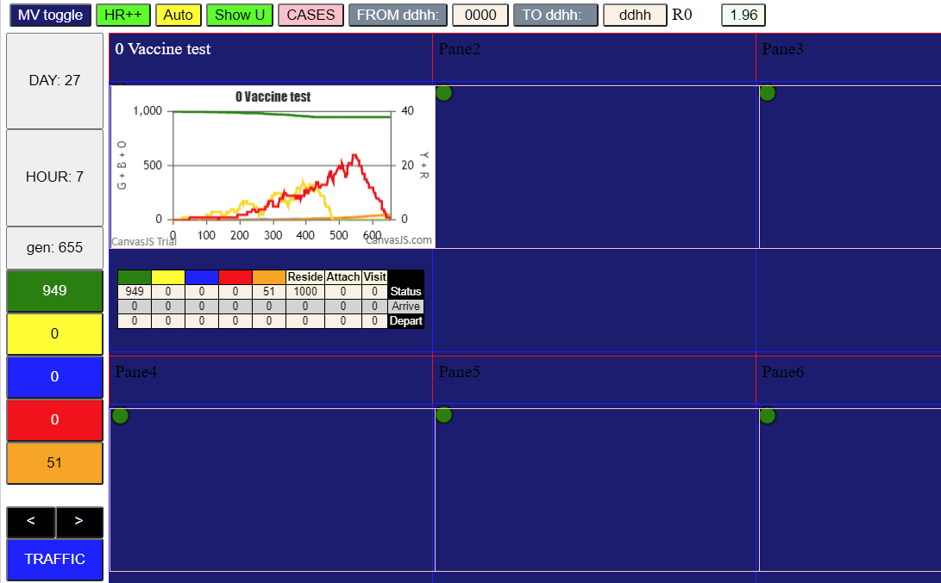
Parameters |  |  |  | decrease 0 and 1
population | 1000 |  |  | increase village sens
ID | WaveVax
HzR | 1.85
mF | 0.75 | 0
sizeF | 1 | 0
RedDays | 9.4
VAX | T.eff1 | 10 | 0
VAX | Level.P1 | 90 | 0
VAX | T.dec | 120 | 0
VAX | T.res | 180 | 0
VAX | Level.R | 0.25 | 0

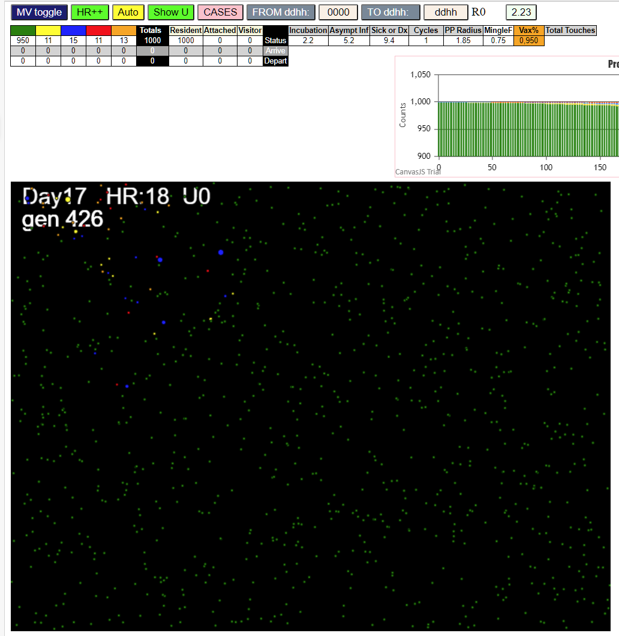
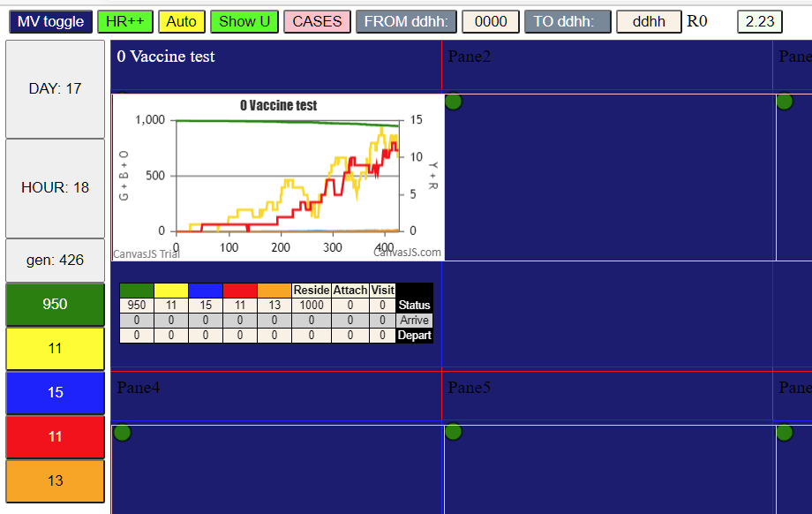

Terminated with 1 new infection |  |  |  | there was 1 with 12 resists, 2 with 10 resists, 8 with 4resists……. 0.9

